times
avg time in minutes |  |  |  | Average Accuracy
 | 3000 strands | 6000 strands | 9000 strands |  | 3000 strands | 6000 strands | 9000 strands
regular | 0.7565 | 1.8915 | 2.9578 | regular | 76% | 75% | 73.50%
with uniun handling | 0.056 | 0.112 | 0.1705 | with union handling | 76% | 76% | 74.50%
with singleton handling | 5.7365 | 25.917 | 62.139 | with singleton handling | 88% | 87% | 86.50%

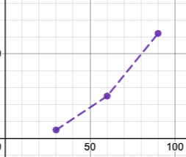

TIME

 | Strand length

